Order Processing
RISK ASSESSMENT

 | Activity/Process: | Order Processing |  |  | Activity/Process Owner:
 |  |  |  |  | Date (last updated):

Initial Risk Assessment & Level |  |  |  |  |  | Risk Management Activities |  |  | Updated Level
Risk # | Potential Nonconformity (What can go wrong?) | Current Risk Controls (Procedures, Training, Equipment, etc.) |  |  |  | Action(s) Taken | Responsibility for Completion | Completion Date
1 | Failure to obtain complete, detailed requirements. | Use of Checklists, Training & Competency Verification | 2.0 | 5.0 | 10.0 | None required - Risk acceptable |  |  | 0.0 | 0.0 | 0.0
2 | Failure to update requirements as they change | Documented Procedures, Training & Competency Verification | 1.0 | 5.0 | 5.0 | None required - Risk acceptable |  |  | 0.0 | 0.0 | 0.0
3 | Acceptance of job that we cannot physically perform. | Training & Competency Verification | 1.0 | 5.0 | 5.0 | None required - Risk acceptable |  |  | 0.0 | 0.0 | 0.0
4 | Failure to verify lead times with suppliers | Training & Competency Verification | 1.0 | 5.0 | 5.0 | None required - Risk acceptable |  |  | 0.0 | 0.0 | 0.0
5 |  |  | 1.0 | 5.0 | 5.0 |  |  |  | 0.0 | 0.0 | 0.0
6 |  |  | 0.0 | 0.0 | 0.0 |  |  |  | 0.0 | 0.0 | 0.0
7 |  |  | 0.0 | 0.0 | 0.0 |  |  |  | 0.0 | 0.0 | 0.0
8 |  |  | 0.0 | 0.0 | 0.0 |  |  |  | 0.0 | 0.0 | 0.0
9 |  |  | 0.0 | 0.0 | 0.0 |  |  |  | 0.0 | 0.0 | 0.0

Risk Levels

Design
RISK ASSESSMENT

 | Activity/Process: | Design |  |  | Activity/Process Owner:
 |  |  |  |  | Date (last updated):

Initial Risk Assessment & Level |  |  |  |  |  | Risk Management Activities |  |  | Updated Level
Risk # | Potential Nonconformity (What can go wrong?) | Current Risk Controls (Procedures, Training, Equipment, etc.) |  |  |  | Action(s) Taken | Responsibility for Completion | Completion Date
1 | Incorrect or incomplete Design Input provided | Use of Checklists, Training & Competency Verification | 1.0 | 5.0 | 5.0 | None required - Risk acceptable |  |  | 0.0 | 0.0 | 0.0
2 | Inadequate planning of design process (milestones missed) | Regular Design Reviews, Training & Competency Verification | 1.0 | 5.0 | 5.0 | None required - Risk acceptable |  |  | 0.0 | 0.0 | 0.0
3 | Incomplete design verification | Documented Design Verification Plan(s), Design Reviews, Training & Competency Assessment | 1.0 | 5.0 | 5.0 | None required - Risk acceptable |  |  | 0.0 | 0.0 | 0.0
4 | Incomplete design validation | Documented Design Validation Plan(s), Design Reviews, Training & Competency Assessment | 1.0 | 5.0 | 5.0 | None required - Risk acceptable |  |  | 0.0 | 0.0 | 0.0
5 |  |  | 0.0 | 0.0 | 0.0 |  |  |  | 0.0 | 0.0 | 0.0
6 |  |  | 0.0 | 0.0 | 0.0 |  |  |  | 0.0 | 0.0 | 0.0
7 |  |  | 0.0 | 0.0 | 0.0 |  |  |  | 0.0 | 0.0 | 0.0
8 |  |  | 0.0 | 0.0 | 0.0 |  |  |  | 0.0 | 0.0 | 0.0
9 |  |  | 0.0 | 0.0 | 0.0 |  |  |  | 0.0 | 0.0 | 0.0

Risk Levels

Purchasing
RISK ASSESSMENT

 | Activity/Process: | Purchasing |  |  | Activity/Process Owner:
 |  |  |  |  | Date (last updated):

Initial Risk Assessment & Level |  |  |  |  |  | Risk Management Activities |  |  | Updated Level
Risk # | Potential Nonconformity (What can go wrong?) | Current Risk Controls (Procedures, Training, Equipment, etc.) |  |  |  | Action(s) Taken | Responsibility for Completion | Completion Date
1 | Incorrect or incomplete PO issued | Procedures, Training and Competency Verification | 1.0 | 3.0 | 3.0 | None required - Risk acceptable |  |  | 0.0 | 0.0 | 0.0
2 | Unapproved Supplier used | Procedures, Training and Competency Verification | 1.0 | 3.0 | 3.0 | None required - Risk acceptable |  |  | 0.0 | 0.0 | 0.0
3 | Flow-down requirements not communicated | Procedures, Training and Competency Verification | 1.0 | 4.0 | 4.0 | None required - Risk acceptable |  |  | 0.0 | 0.0 | 0.0
4 |  |  | 0.0 | 0.0 | 0.0 |  |  |  | 0.0 | 0.0 | 0.0
5 |  |  | 0.0 | 0.0 | 0.0 |  |  |  | 0.0 | 0.0 | 0.0
6 |  |  | 0.0 | 0.0 | 0.0 |  |  |  | 0.0 | 0.0 | 0.0
7 |  |  | 0.0 | 0.0 | 0.0 |  |  |  | 0.0 | 0.0 | 0.0
8 |  |  | 0.0 | 0.0 | 0.0 |  |  |  | 0.0 | 0.0 | 0.0
9 |  |  | 0.0 | 0.0 | 0.0 |  |  |  | 0.0 | 0.0 | 0.0

Risk Levels

Manufacturing
RISK ASSESSMENT

 | Activity/Process: | Manufacturing |  |  | Activity/Process Owner:
 |  |  |  |  | Date (last updated):

Initial Risk Assessment & Level |  |  |  |  |  | Risk Management Activities |  |  | Updated Level
Risk # | Potential Nonconformity (What can go wrong?) | Current Risk Controls (Procedures, Training, Equipment, etc.) |  |  |  | Action(s) Taken | Responsibility for Completion | Completion Date
1 |  |  | 0.0 | 0.0 | 0.0 |  |  |  | 0.0 | 0.0 | 0.0
2 |  |  | 0.0 | 0.0 | 0.0 |  |  |  | 0.0 | 0.0 | 0.0
3 |  |  | 0.0 | 0.0 | 0.0 |  |  |  | 0.0 | 0.0 | 0.0
4 |  |  | 0.0 | 0.0 | 0.0 |  |  |  | 0.0 | 0.0 | 0.0
5 |  |  | 0.0 | 0.0 | 0.0 |  |  |  | 0.0 | 0.0 | 0.0
6 |  |  | 0.0 | 0.0 | 0.0 |  |  |  | 0.0 | 0.0 | 0.0
7 |  |  | 0.0 | 0.0 | 0.0 |  |  |  | 0.0 | 0.0 | 0.0
8 |  |  | 0.0 | 0.0 | 0.0 |  |  |  | 0.0 | 0.0 | 0.0
9 |  |  | 0.0 | 0.0 | 0.0 |  |  |  | 0.0 | 0.0 | 0.0

Risk Levels

Process 5
RISK ASSESSMENT

 | Activity/Process: |  |  |  | Activity/Process Owner:
 |  |  |  |  | Date (last updated):

Initial Risk Assessment & Level |  |  |  |  |  | Risk Management Activities |  |  | Updated Level
Risk # | Potential Nonconformity (What can go wrong?) | Current Risk Controls (Procedures, Training, Equipment, etc.) |  |  |  | Action(s) Taken | Responsibility for Completion | Completion Date
1 |  |  | 0.0 | 0.0 | 0.0 |  |  |  | 0.0 | 0.0 | 0.0
2 |  |  | 0.0 | 0.0 | 0.0 |  |  |  | 0.0 | 0.0 | 0.0
3 |  |  | 0.0 | 0.0 | 0.0 |  |  |  | 0.0 | 0.0 | 0.0
4 |  |  | 0.0 | 0.0 | 0.0 |  |  |  | 0.0 | 0.0 | 0.0
5 |  |  | 0.0 | 0.0 | 0.0 |  |  |  | 0.0 | 0.0 | 0.0
6 |  |  | 0.0 | 0.0 | 0.0 |  |  |  | 0.0 | 0.0 | 0.0
7 |  |  | 0.0 | 0.0 | 0.0 |  |  |  | 0.0 | 0.0 | 0.0
8 |  |  | 0.0 | 0.0 | 0.0 |  |  |  | 0.0 | 0.0 | 0.0
9 |  |  | 0.0 | 0.0 | 0.0 |  |  |  | 0.0 | 0.0 | 0.0

Risk Levels

Process 6
RISK ASSESSMENT

 | Activity/Process: |  |  |  | Activity/Process Owner:
 |  |  |  |  | Date (last updated):

Initial Risk Assessment & Level |  |  |  |  |  | Risk Management Activities |  |  | Updated Level
Risk # | Potential Nonconformity (What can go wrong?) | Current Risk Controls (Procedures, Training, Equipment, etc.) |  |  |  | Action(s) Taken | Responsibility for Completion | Completion Date
1 |  |  | 0.0 | 0.0 | 0.0 |  |  |  | 0.0 | 0.0 | 0.0
2 |  |  | 0.0 | 0.0 | 0.0 |  |  |  | 0.0 | 0.0 | 0.0
3 |  |  | 0.0 | 0.0 | 0.0 |  |  |  | 0.0 | 0.0 | 0.0
4 |  |  | 0.0 | 0.0 | 0.0 |  |  |  | 0.0 | 0.0 | 0.0
5 |  |  | 0.0 | 0.0 | 0.0 |  |  |  | 0.0 | 0.0 | 0.0
6 |  |  | 0.0 | 0.0 | 0.0 |  |  |  | 0.0 | 0.0 | 0.0
7 |  |  | 0.0 | 0.0 | 0.0 |  |  |  | 0.0 | 0.0 | 0.0
8 |  |  | 0.0 | 0.0 | 0.0 |  |  |  | 0.0 | 0.0 | 0.0
9 |  |  | 0.0 | 0.0 | 0.0 |  |  |  | 0.0 | 0.0 | 0.0

Risk Levels

Process 7
RISK ASSESSMENT

 | Activity/Process: |  |  |  | Activity/Process Owner:
 |  |  |  |  | Date (last updated):

Initial Risk Assessment & Level |  |  |  |  |  | Risk Management Activities |  |  | Updated Level
Risk # | Potential Nonconformity (What can go wrong?) | Current Risk Controls (Procedures, Training, Equipment, etc.) |  |  |  | Action(s) Taken | Responsibility for Completion | Completion Date
1 |  |  | 0.0 | 0.0 | 0.0 |  |  |  | 0.0 | 0.0 | 0.0
2 |  |  | 0.0 | 0.0 | 0.0 |  |  |  | 0.0 | 0.0 | 0.0
3 |  |  | 0.0 | 0.0 | 0.0 |  |  |  | 0.0 | 0.0 | 0.0
4 |  |  | 0.0 | 0.0 | 0.0 |  |  |  | 0.0 | 0.0 | 0.0
5 |  |  | 0.0 | 0.0 | 0.0 |  |  |  | 0.0 | 0.0 | 0.0
6 |  |  | 0.0 | 0.0 | 0.0 |  |  |  | 0.0 | 0.0 | 0.0
7 |  |  | 0.0 | 0.0 | 0.0 |  |  |  | 0.0 | 0.0 | 0.0
8 |  |  | 0.0 | 0.0 | 0.0 |  |  |  | 0.0 | 0.0 | 0.0
9 |  |  | 0.0 | 0.0 | 0.0 |  |  |  | 0.0 | 0.0 | 0.0

Risk Levels

Example
RISK ASSESSMENT

 | Activity/Process: | Attach armrest to chair |  |  | Activity/Process Owner: | J. Smith
 |  |  |  |  | Date (last updated): | 2022-06-15

Initial Risk Assessment & Level |  |  |  |  |  | Risk Management Activities |  |  | Updated Level
Risk # | Potential Nonconformity (What can go wrong?) | Current Risk Controls (Procedures, Training, Equipment, etc.) |  |  |  | Action(s) Taken | Responsibility for Completion | Completion Date
1 | Insufficient number of holes drilled into chair | Drawings, Training & Competency Verification | 2.0 | 3.0 | 6.0 | Develop & provide 4-bit drill assembly to drill holes simultaneously to Production process. | J. Doe & J. Smith | 2021-04-09 | 1.0 | 3.0 | 3.0
2 | Insufficient number or incorrect type of armrests available for chair. | Documented Work Instructions, Training & Competency Verification | 1.0 | 3.0 | 3.0 | None required - Risk acceptable | N/A | N/A | 1.0 | 3.0 | 3.0
3 | Holes not properly oriented to align with armrest holes | Documented Work Instructions, Training & Competency Verification | 2.0 | 4.0 | 8.0 | See Action for Risk #1 above AND provide template to ensure proper alignment. | J. Doe & J. Smith | 2021-04-09 | 1.0 | 3.5 | 3.5
4 | Correct number of screws not provided by Kitting Dept. | Documented "Bill of Material" (BOM), Training & Competency Verification | 2.0 | 2.0 | 4.0 | Implement Kanban tray system at assembly station(s) to ensure that the number of screws provided is always available. | B. Jones | 2021-04-16 | 0.5 | 2.0 | 1.0
5 | Wrong size/type of screws provided | Documented Drawing, "Bill of Material" (BOM), Training & Competency Verification | 1.5 | 3.0 | 4.5 | Re-Locate size and type of screws needed for armrest into a different location in stock room; away from other similar size/types of screws. | B. Jones | 2021-04-16 | 0.5 | 3.0 | 1.5
6 | Holes of incorrect diameter | Drawings, Training & Competency Verification | 1.0 | 3.0 | 3.0 | None required - Risk acceptable | N/A | N/A | 1.0 | 3.0 | 3.0
7 | No torque screw driver provided | Operator Training & Competency Verification | 2.0 | 5.0 | 10.0 | Standardize 5S with shadow board for all specified assembly tools. | J. Smith | 2021-04-09 | 0.5 | 2.5 | 1.3
8 | Incorrect torque screw driver provided | Operator Training & Competency Verification | 3.0 | 5.0 | 15.0 | See Action for Risk #7 above | J. Smith | 2021-04-09 | 0.5 | 2.5 | 1.3
9 | Screw torque either too low or too high. | Operator Training & Competency Verification | 3.5 | 3.0 | 10.5 | Identify specific torque value (with tolerances) in Work Instructions. | J. Smith | 2021-04-09 | 0.5 | 3.0 | 1.5

Risk Levels

Instructions
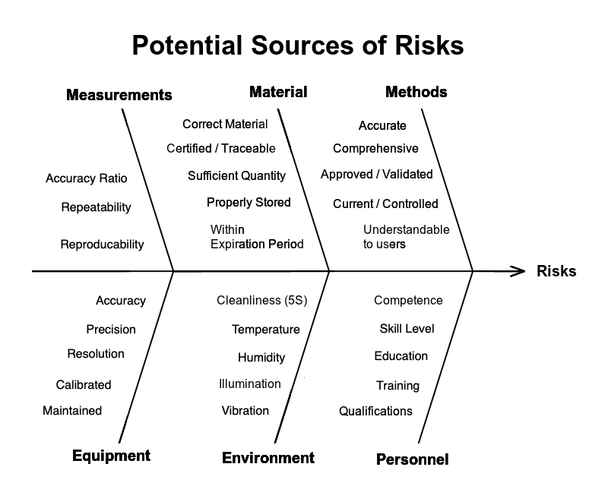
Instructions:
Initial Risk Assessment & Level
1 - Identify up to 9 risks in a process. Write a brief description of the risk in the "Potential Nonconformity (What can go wrong?)" field.
2 - Briefly describe the "Risk Controls" currently in place in the "Current Risk Controls (Procedures, Training, Equipment, etc.)" field.
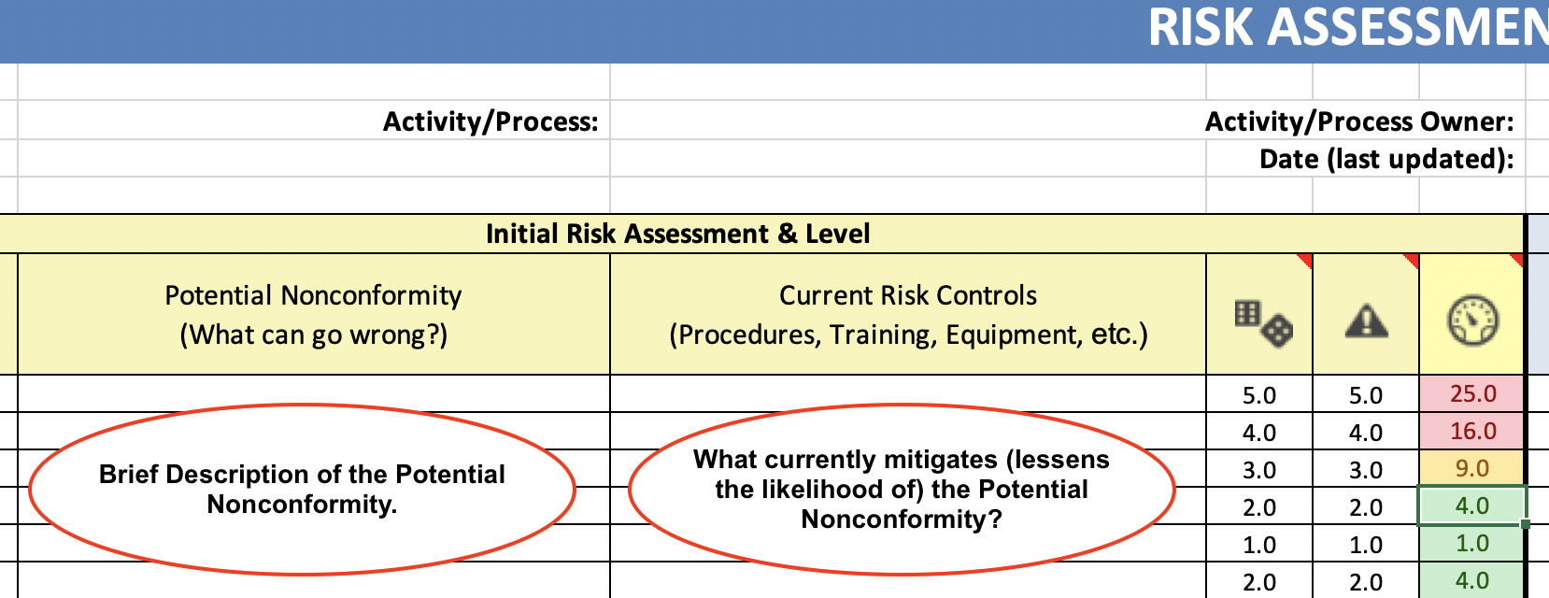
3 - In the column defined by the "Dice" icon, rank (0-5) the "Likelihood/Probability" of a nonconformity occurring.

Points | Likelihood (Probability of Occurrence)
5 | Almost Certain (because there are no controls in place to prevent or mitigate a nonconformity).
4 | High (because it is unlikely that the current control(s) will prevent or mitigate a nonconformity).
3 | Moderate (There is a limited likelihood of the current control(s) prevent or mitigate a nonconformity).
2 | Low (There is a high probability the current control(s) will prevent or mitigate a nonconformity).
1 | Very Unlikely (There is an almost certain probability the current control(s) will prevent a nonconformity).
0 | Absolutely NO likelihood/probability what-so-ever of an occurrence (i.e., the "cause" has been eliminated).

4 - In the column defined by the "Triangle with the exclamation point" icon, rank (0-5) the "Impact/Severity of Consequences" of a nonconformity occurring.

Points | Impact (Severity of Consequences)
5 | Critical - Multiple Nonconforming (or late) products / services delivered.
4 | Major - Single nonconforming (or late) product / service delivered.
3 | Moderate - Nonconformities identified in products / services requiring the rework or repair. |  | Reference in Management Reviews
2 | Minor - Minor errors identified in the product / service that must be corrected prior to delivery. |  | Both ISO 9001 & AS 9100, sec. 9.3.2 "Management Review Inputs" require the management review to be "carried out taking into consideration": e. the effectiveness of actions taken to address risks and opportunities This requirement can be addressed by including a reference in your "Management Review Meeting Minutes" to this "Risk Assessment"; along with a notation that "The risk controls (actions) taken to address all risks identified as "Green" or "Yellow" are considered to have been effective (i.e., within an acceptable risk tolerance)." This “Risk Assessment” should be reviewed before OR during each management review. When the “Risk Assessment” is reviewed, be sure to record the date in the “Date (last updated):” field. During this review, any risk controls added from the previous cycle should be included under the column “Current Risk Controls”. Also, AS 9100, sec. 9.3.3, "Management Review Outputs" requires management reviews to "include decisions and actions related to:" d. risks identified. A reference to this "Risk Assessment" should also satisfy that requirement.
1 | Insignificant - Lapses/Oversights in following the method that must be performed prior to delivery.
0 | Absolutely NO impact/consequence what-so-ever.

Note: By definition, a "corrective" or "preventive" action must reduce the likelihood/probability OR impact/severity of the consequences of a nonconformity to ZERO. This means that the risk has been ELIMINATED.

5 - The "Risk Score" (identified by the "Gauge" icon) automatically calculates and displays the "Risk Criticality Number" (RCN), which is RCN = Impact x Probability. The RCN is displayed with a cell color (using "Conditional Formatting") indicating the risk tolerance acceptability.

Risk Level | Cell Color | Risk Tolerance
<6 | Green | Acceptablle Risk Level - No further Action Required
≥6 to ≤12.5 | Yellow | Acceptable but risk management actions should be considered.
>12.5 | Pink/Red | Unacceptable Risk Level - Initiate a risk management action.

The LOWER the "Risk Level", the LOWER the risk. The goal is to implement controls that will reduce the RCNs to an acceptable risk tolerance.
The "risk tolerance" color coding can be changed by modifying the conditional cell formatting.

The "Column Chart" titled " Risk Levels" will display both the "Initial Score" (Blue) and "Updated Score" (Green). The greater the risk, the taller the column bar.

Risk Management Activities |  |  | Risk Management Actions
6 - Analyze each risk to identify its potential causes (e.g., using the 5 Whys, Fishbone Chart, Fault Tree Analysis). IF there are "risk controls" that can be implemented to reduce or eliminate the likelihood/probability of a nonconformity and/or eliminate or mitigate the impact/severity of the consequences arising from a nonconformity, then these controls (e.g., revised procedure(s), updated training material(s), updated equipment) should be described in the column titled "Action(s) Taken". |  |  | Possible risk management actions include, but are not limited to: • mitigating the risk (e.g., through implementing controls to reduce the likelihood/probability of occurrence or reduce the severity of the impact/consequences associated with the risk); • eliminating the risk source (i.e., through preventive action if proactive - or corrective action if reactive); • sharing the risk (e.g. through partnering or contracting with others), • transferring the risk (e.g., to an insurance company); • accepting/retaining the risk (by informed decision); • avoiding the risk (e.g., by declining the contract/order).
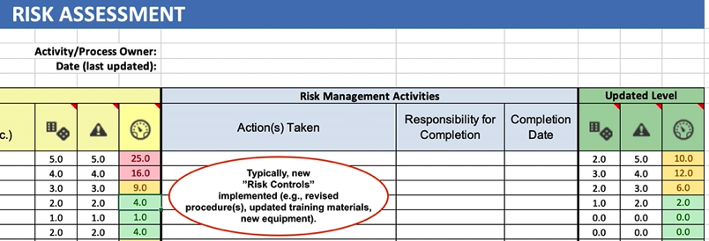

7 - Identify the person primarily responsible for implementing the action in the "Responsibility for Completion" column. |  |  | Risk Controls
8 - Record the date on which the action was fully implemented in the "Completion Date" column. |  |  | Examples of common "Risk Controls" to mitigate risks include, but are not limited to: • Revised/Updated procedures or methods • Revised/Updated training material(s) and/or enhanced training methods • New/Updated equipment (e.g., with improved accuracy, precision, reliability) • Change the process (e.g., incorporating new technologies) • Increasing "Accuracy Ratios" of M&TE used in measurements (to reduce the risk of measurement errors) • Improving "detection" of nonconformities through adding Checks/Reviews • Obtaining a "waiver" from the customer to change/modify or eliminate a requirement

Updated (Risk) Level
9 - After the "actions" are completed, update the "Likelihood/Probability" of a nonconformity occurring (0-5) AND the "Impact/Severity of Consequences" of a nonconformity occurring (0-5). One or both of these numbers "should" decrease the "Risk Level" - reflecting a LOWER risk level.

The "Column Chart" titled "Risk Levels" will automatically display the "Updated Scores" as a green bar. The greater the risk, the taller the bar.

Using WITHOUT the Colum Chart
Personally, I prefer the tab WITHOUT the column Chart. IMO, the Column Chart is simply "eye candy" that adds no value and simply restricts the number of "risks" that I can identify for any given process. If you share this preference, then you can duplicate (copy) this tab for each of your processes and use it instead.

