Key + Instructions
Key & Instructions
 |  | Topics Only Requiring Informational Awareness (e.g., General)
Cell Entry | Displayed | Meaning
1 | 1 | 1: Aware: [e.g., induction training, ISO 9001/AS9100 Awareness training] Binary evidence of training (Yes/No) as a single (non-recurring) event. | Are aware of what they need to learn.

 |  | Activities requiring a level of Competency
Cell Entry | Displayed | Meaning | 5 Stages of Learning
Space |  | Does not perform this task. No training required on this process/topic. | N/A
0 | 0 | 0: Training Needed: Training Required, but has not been trained or has not read Process / Document | Don't know what they don't know.
1 | 1 | 1: Induction Period [New to the job or task; Inexperienced; Don't know what they don't know] Needs to have assistance to start and complete task. Requires Supervision. Has read through Process Documentation: Low understanding. | Are aware of what they need to learn.
2 | 2 | 2: Low Level of Competence [Has some knowledge and skills; learning; not competent yet; Doesn't know how to move forward; Inconsistent performance and progress] (e.g., Apprentice) Can start task but still requires Supervision - might have questions to finish. Still needs to refer to Process Documentation (e.g., Flow Charts, Work Instructions) | Practicing the skill requires concentration and deliberation.
3 | 3 | 3: Moderate Level of Competence [Demonstrated competence; experienced; Makes productive contributions; Generally skillful and adept] (e.g., Journeyman) Can perform task without supervision. Can recommend edits/revisoins to Process Documentation (e.g., Flow Charts, Work Instructions) | Makes decisions quickly and intuitiverly, but vulnerable to bias.
4 | 4 | 4: High Level of Competence [Accomplished; Consistently competent; Recognized by others as an expert] (e.g., Master Craftsman) Can perform task without supervision, capable of training other associates and could be considered a SME. Can develop/write Process Documentation. | Know when to question their intuitions and eliminate errors.

It should be understood that "training" (Learning) is a means to an end (Competence). A Training record alone is meaningless. What we're concerned with is evidence that Competence has been demomstrated and confirmed.

Definitions
ISO/IEC Directives-Part 1, Annex SL, Appendix 2:2022 — "Harmonized structure for MSS with guidance for use" 3.9 Competence ability to apply knowledge and skills to achieve intended results
Note: ISO 9000:2015 includes a note under the above definition stating: "Demonstrated competence is sometimes referred to as qualification."

ISO 30401:2018, "Knowledge management systems — Requirements" 3.25 Knowledge human or organizational asset enabling effective decisions and action in context Note 1 to entry: Knowledge can be individual, collective or organizational. Note 2 to entry: There are diverse views on the scope covered within knowledge, based on context and purpose. The definition above is general as to the various perspectives. Examples of knowledge include insights and know-how. Note 3 to entry: Knowledge is acquired through learning or experience.

ISO 30401:2018, "Knowledge management systems — Requirements" 3.30 Skill learned capacity to perform a task to a specified expectation

The "Competency Matrix" tabs utilize "Conditional Formatting" to produce the block quadrants. Simply enter the number (from the above key) in the desired cell to produce the appropriate block icon. To begin, add all of your training courses in Row 3. You can add or delete columns as needed. And to add the conditional cell quadrant boxes , highlight the column containing the quadrant box cells and copy it to the desired cells. There are 2 tabs provided. The first is for "Current staff". As staff leave the company, copy that worker's row into the "Former Staff" tab. This provides a historical record that can be used to confirm that the former staff member was competent to perform previous tasks/work. And if that staff member returns, then the row can be copied back to the "Current Staff" tab. If you have no need for the "Recurring Certification" sheet and/or the "Fork Lift Operator Qualification" sheet, one or both of these sheets can be deleted.

Discussion
The "5 Stages of Learning" may be useful in determining competence levels. Initially described as “Four Stages for Learning Any New Skill”, the theory was developed in the 1970s by Noel Burch. David Robson, in "The Intelligence Trap" (https://davidrobson.me/the-intelligence-trap/), has introduced a fifth stage (in 2019). See image below.

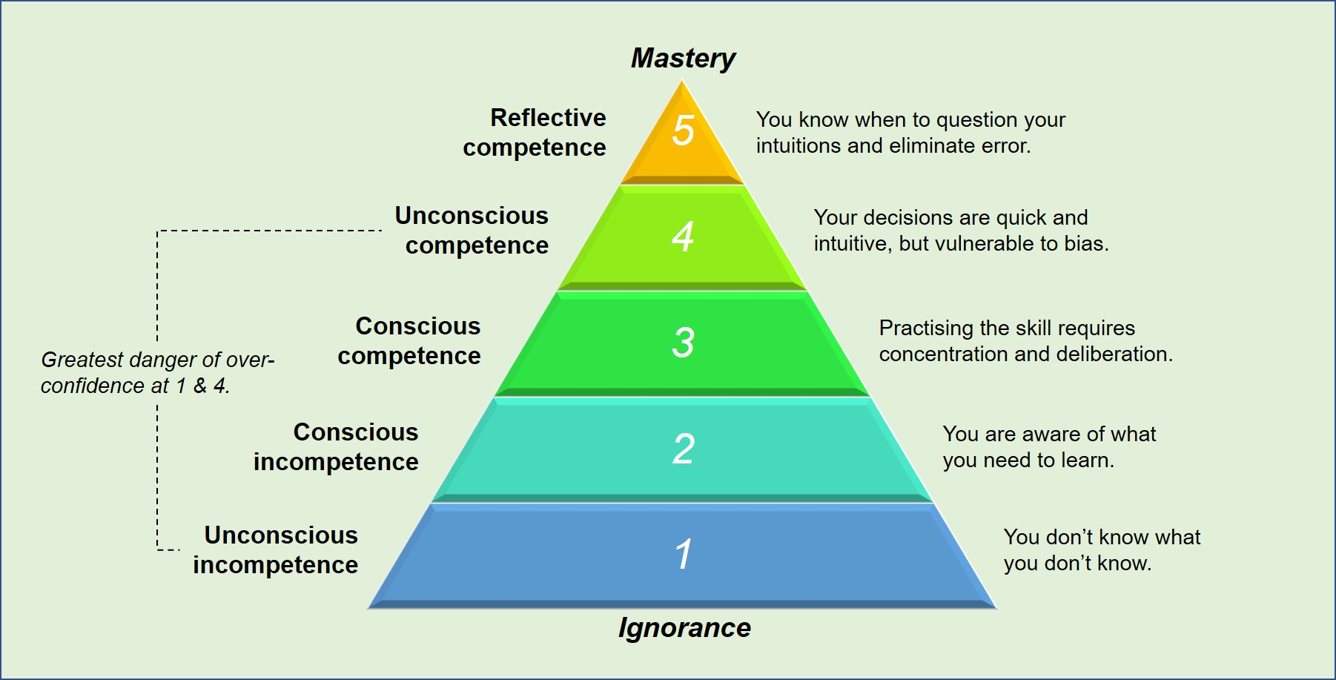

 |  | Image Source: http://www.resultswise.com.au/what-stage-of-leadership-competence/

Note for AS 9100 Users
This "Competency Matrix" is considered equivalent to the IAQG SCMH-7.13.3 Competency Management Template and Example-Rev-A Dated-27NOV2020.

